Ladders
LADDERS
Steel Ladder
Steel | LAD6020 | Steel Ladder White 2 Step 100kg | $73.13 | $80.44
Steel | LAD6030 | Steel Ladder High Handle White 3 Step 100kg | $110.63 | $121.69
Work platform
 | LAD0006 | Working Platform Aluminium 600 x 480mm 150kg | $157.50 | $173.25
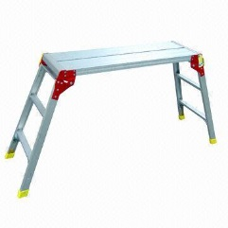 | LAD0019 | Working Platform Aluminium 1200 x 730mm 150kg | $235.88 | $259.46
Single side stepladder
 | LAD1802 | Ladder Aluminium Single Sided Step 1.8m 150kg | $277.50 | $305.25
 | LAD2102 | Ladder Aluminium Single Sided Step 2.1m 150kg | $355.88 | $391.46
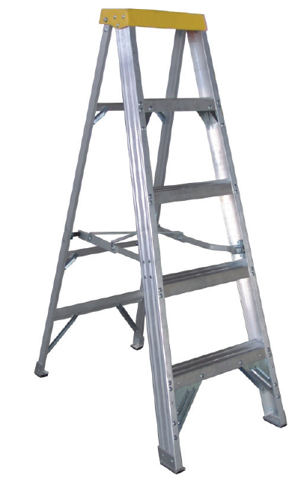 | LAD2402 | Ladder Aluminium Single Sided Step 2.4m 150kg | $412.13 | $453.34
Fibreglass | LAD1806 | Ladder Fibreglass Single Sided Step 1.8m 150kg | $414.00 | $455.40
 | LAD2405 | Ladder Fibreglass Single Sided Step 2.4m 150kg | $530.25 | $583.28
Double sided stepladder
 | LAD0092 | Ladder Aluminium Double Sided Step 0.9m 120kg | $223.13 | $245.44
 | LAD0122 | Ladder Aluminium Double Sided Step 1.2m 120kg | $279.38 | $307.31
 | LAD0182 | Ladder Aluminium Double Sided Step 1.8m 120kg | $430.88 | $473.96
 | LAD0242 | Ladder Aluminium Double Sided Step 2.4m 150kg | $608.25 | $669.08
 | LAD0302 | Ladder Aluminium Double Sided Step 3.0m 150kg | $811.50 | $892.65
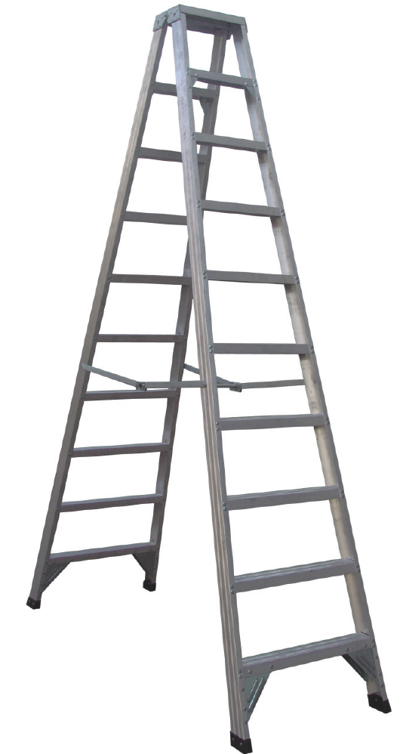 | LAD0362 | Ladder Aluminium Double Sided Step 3.6m 150kg | $924.00 | $1,016.40
Fibreglass | LAD0246 | Ladder Fibreglass Double Sided Step 2.4m 150kg | $706.88 | $777.56
 | LAD0306 | Ladder Fibreglass Double Sided Step 3.0m 150kg | $909.00 | $999.90
Platform stepladder
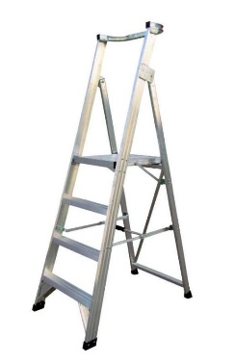
 | LAD8090 | Ladder Aluminium Platform 3 Step 150kg | $558.75 | $614.63
 | LAD8120 | Ladder Aluminium Platform 4 Step 150kg | $633.75 | $697.13
 | LAD8150 | Ladder Aluminium Platform 5 Step 150kg | $671.25 | $738.38
 | LAD8180 | Ladder Aluminium Platform 6 Step 150kg | $746.25 | $820.88
 | LAD8210 | Ladder Aluminium Platform 7 Step 150kg | $858.75 | $944.63
Fibreglass | LAD8096 | Ladder Fibreglass Platform 3 Step 150kg | $596.25 | $655.88
 | LAD8126 | Ladder Fibreglass Platform 4 Step 150kg | $671.25 | $738.38
 | LAD8156 | Ladder Fibreglass Platform 5 Step 150kg | $708.75 | $779.63
 | LAD8186 | Ladder Fibreglass Platform 6 Step 150kg | $783.75 | $862.13
 | LAD8216 | Ladder Fibreglass Platform 7 Step 150kg | $933.75 | $1,027.13
Dual purpose ladder
 | LAD5180 | Ladder Aluminium Dual Purpose 1.8-3.3m 150kg | $505.88 | $556.46
 | LAD5210 | Ladder Aluminium Dual Purpose 2.1-3.9m 150kg | $595.88 | $655.46
Multi ladder
 | LAD5555 | ,Ladder Aluminium Multi Folding 120kg | $446.25 | $490.88
Extension ladder
 | LAD3164 | Ladder Aluminium Extension With Rope 3.1-5.3m | $855.00 | $940.50
 | LAD3864 | Ladder Aluminium Extension With Rope 3.8-6.5m | $971.25 | $1,068.38
 | LAD3808 | Ladder Fibreglass Extension With Rope 3.8-6.5m | $1,002.75 | $1,103.03
 | LAD4300 | Ladder Fibreglass Extension With Rope 4.3-7.6m | $1,123.13 | $1,235.44

